Sheet1
 | PB | 11th September | 13th September | 18th September | 20th September | 25th September | 27th September
Oscar | 2.08 | 2.12 | 2.08 | DNF (Collision) |  |  |  | Placing should be accurate, but the exact timing has a large margin of error!
Jake | 2.11 | 2.11 | 2.11 | Cut corners! |  |  |  | Three laps of the field. Time recorded in minutes and seconds.
Lucas | 2.15 |  |  | 2.15
Finton | 2.17 | 2.36 | 2.17 | 2.19
Evie | 2.18 |  | 2.18
Daniel | 2.18 | 2.25 | 2.24 | 2.18 |  |  |  | This season the record was broken by Oscar - 2.08!
Jack S | 2.19 | 2.22 | 2.19
Janson | 2.20 | 2.20 |  |  |  |  |  | Mr Jones
Harrison | 2.20 | 2.26 | 2.20 | 2.21
Sophie | 2.20 |  |  | 2.20
George | 2.22 |  | 2.50 | 2.22
Jonah | 2.23 | 2.57 | 3.20 | 2.23
Hugo | 2.24 | 2.57 | 2.40 | 2.24
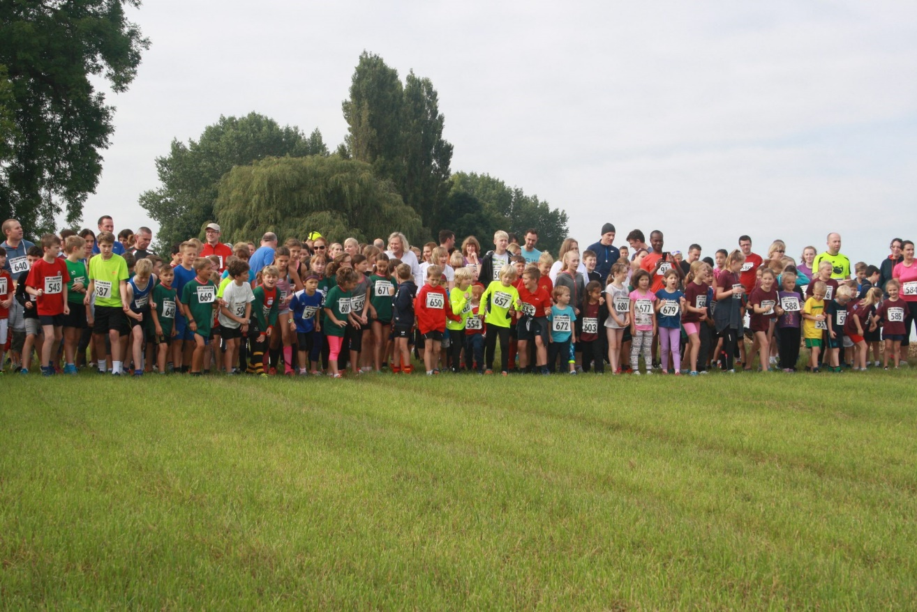
Harry C | 2.25 | 2.32 |  | 2.25
Harry H | 2.26 | 2.30 |  | 2.26 |  |  |  | Two boys were very close indeed!
Zak | 2.29 |  | 2.29 | Cut corners! |  |  |  | Twenty seven runners for the first race of the year in windy conditions.
Edi | 2.29 | 2.50 | 2.30 | 2.29
Ruari | 2.29 | 3.00 | 2.51 | 2.29
Fabian | 2.33 | 3.05 | 2.33
Matthew | 2.34 | 3.40 | 2.34 | 3.20
Dylan | 2.36 |  | 2.36
Oscar | 2.37 | 3.45 | 2.37 | Cut Corners!
Elliott | 2.40 | 2.40 | 2.45
Jack B | 2.41 | 2.41
William | 2.43 | 2.43
Harry D | 2.43 |  | 2.43
Teddy | 2.48 | 2.48 | 2.59 | 2.54
Jack C | 2.48 | 2.58 | 2.48 | 3.04
Mercedes | 2.53 |  | 2.53
Abby | 2.54 | 3.50 | 2.54 | 3.40
Rosie | 2.56 | 3.12 | 2.56 | 3.01
Junior | 2.57 | 3.10 | 2.57
Joseph | 3.00 | 3.04 | 3.00
James | 3.00 |  |  | 3.00
Alex | 3.10 |  | 3.10
Noah | 3.19 |  | 3.19
Charlotte | 3.40 | 3.40
Jasmine | 3.40 |  |  | 3.40
Isla | 3.50 | 3.50
Matilda |  |  |  | DNF

